setup
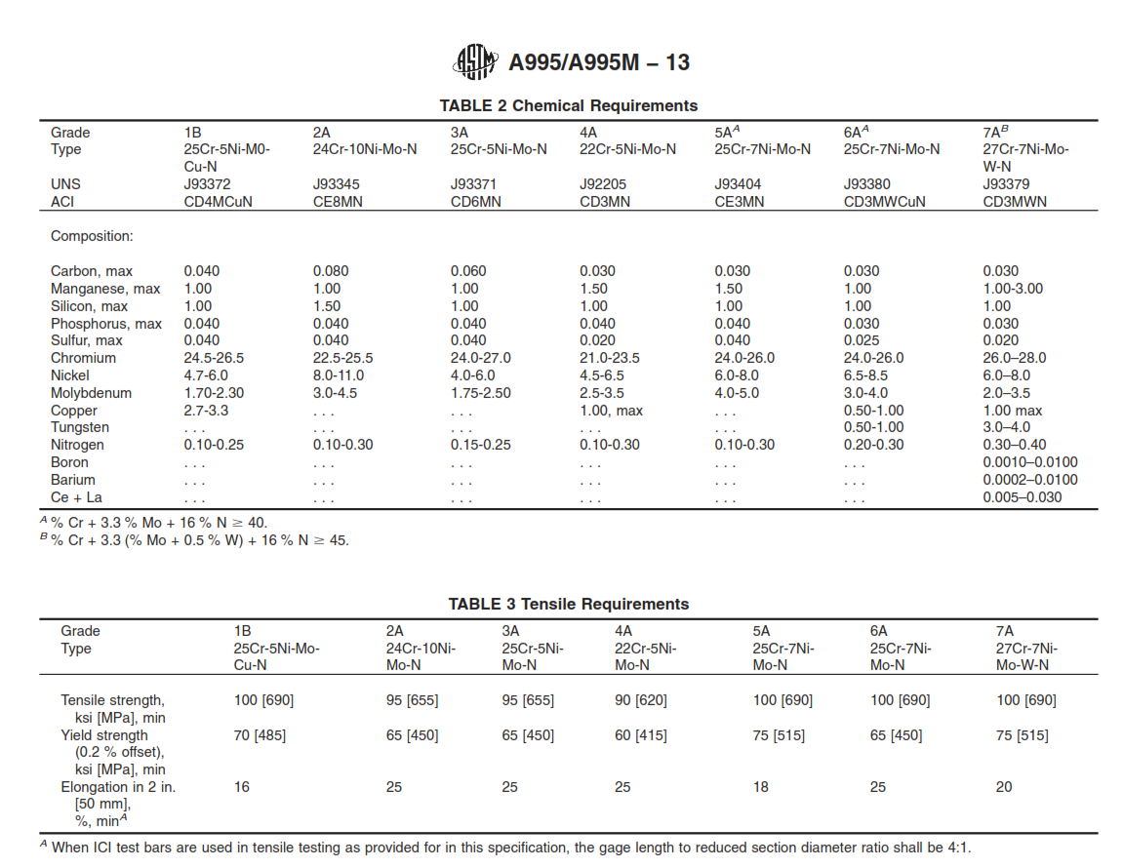
setup for selection

unit system | pump service | applications | casting quality | double suction | material (ASTM) | ro | Rm | Ry | Sz | Szz | Cav.Erosion | Pitting Index | wal | u2
US | Demineralized water | open | poor | yes | Cast Iron A278-30 | 7300 | 245 | 98 | 10 | 18 | 11
SI | Hydrocarbon | closed | average | no | Nodular Cast Iron A536-60-40-18 | 7100 | 400 | 250 | 4 | 10 | 5.5
 | Seawater |  | high |  | Ni Resist A439 Type D2 | 7400 | 370 | 210 | 4 | 15 | 4.1
 | Slurry |  |  |  | Cast Steel A216 Gr WCB | 7800 | 420 | 240 | 4 | 8 | 4.7
 | Potable water |  |  |  | Martensitic A487/A743 CA6NM Gr A | 7700 | 760 | 550 | 2 | 5 | 1 | 13
 | Produced water |  |  |  | Martensitic A487/A743 CA15 Gr D | 7800 | 690 | 515 | 2 | 5 | 1 | 13.3
 |  |  |  |  | Austenitic A451/A743 CF-3 | 7880 | 485 | 205 | 2 | 5 | 1.5 | 18.7
 |  |  |  |  | Austenitic A451/A743 CF-3M | 7900 | 485 | 205 | 2 | 5 | 1.5 | 23.6
 |  |  |  |  | Duplex A995/A890 1B | 7700 | 690 | 485 | 2 | 5 | 1.1 | 31.7
 |  |  |  |  | Duplex A995/A890 4A CD3MN | 7700 | 620 | 415 | 2 | 5 | 1.1 | 34
 |  |  |  |  | Duplex A995 3A | 7700 | 655 | 450 | 2 | 5 | 1 | 38
 |  |  |  |  | SuperDuplex A995/A890 6A CD3MWCuN | 7700 | 690 | 450 | 2 | 5 | 0.9 | 45
 |  |  |  |  | SuperDuplex A995/A890 5A CE3MN | 7800 | 690 | 515 | 2 | 5 | 1 | 47
 |  |  |  |  | B584 C86300 | 8700 | 220 | 90 | 4 | 10 | 5
 |  |  |  |  | B427 C90700 | 8700 | 270 | 130 | 4 | 10 | 4.5
 |  |  |  |  | C148 958 | 8700 | 600 | 270 | 4 | 10 | 1
 |  |  |  |  | Hastelloy CA574 N10276 | 8900 | 700 | 280 | 2 | 5 | 1

Gulich
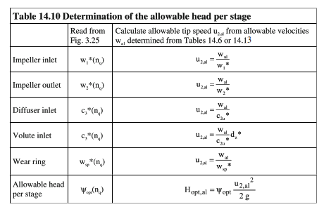
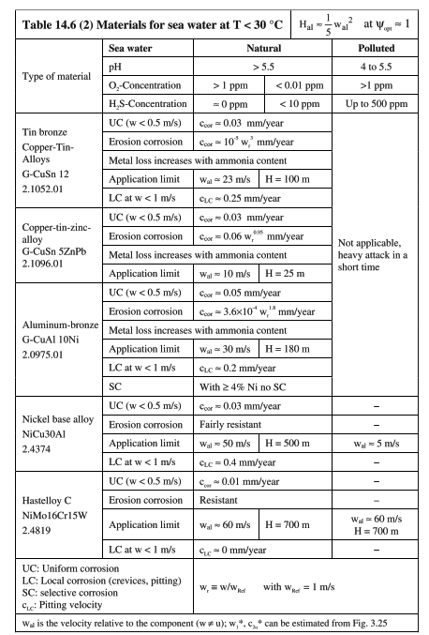
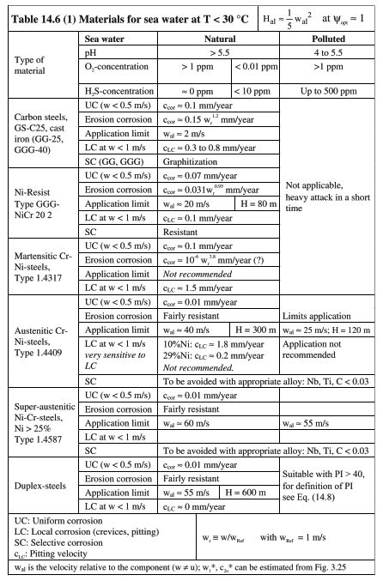
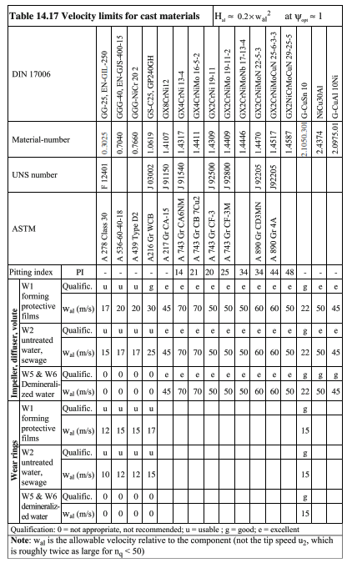

 | Nq.ref | U2max
 | 33.0 | 123.73877195 |  | u2 |  |  |  |  | U2
 |  |  |  | Nq | curve1 | curve2 | curve3
 |  |  |  | 5 | 65 | 50 | 38
 | W2 |  |  | 10 | 69 | 53 | 40 |  |  | G1 | G2 | G3
Austenitic A451/A743 CF-3M | 0.5 |  |  | 15 | 79 | 60 | 45 |  | C0 | 60.4 | 43.6 | 34.6
 |  |  |  | 20 | 96 | 72 | 55 | Nq<26 | C1 | 1.2 | 1.861904762 | 1.019047919
 |  | W* | U2max | 25 | 128 | 98 | 75 |  | C2 | -0.09 | -0.154285714 | -0.092857143
 | Demineralized water | 50 | 108.93994339 | 29 | 128 | 98 | 75 |  | C3 | 0.006 | 0.006666667 | 0.004666667
 | Hydrocarbon | 50 | 108.93994339 | 32 | 128 | 98 | 75
 | Seawater | 40 | 87.151954708 | 40 | 103 | 80 | 60 | 26<Nq<32 | C0 | 128 | 98 | 75
 | Slurry |  | 47 | 45 | 92 | 70 | 54
 | Potable water | 50 | 108.93994339 | 50 | 84 | 63 | 49 |  | C0 | 327.69153627 | 249.78261235 | 192.96469772
 | Produced water | 40 | 87.151954708 | 55 | 77 | 60 | 45 | Nq>32 | C1 | -10.286049309 | -7.803731017 | -6.115721035
 |  |  |  | 60 | 71 | 55 | 42 |  | C2 | 0.165446675 | 0.125432107 | 0.099579512
 |  |  |  | 65 | 66 | 51 | 39 |  | C3 | -0.001458831 | -0.001110805 | -0.000889394
 |  |  |  | 70 | 62 | 47 | 36.3 |  | C4 | 0.000007161 | 0.000005496 | 0.000004416
 |  |  |  | 80 | 55 | 42 | 32 |  | C5 | -1.83E-08 | -1.42E-08 | -1.14E-08
 |  |  |  | 90 | 50 | 38 | 29 |  | C6 | 1.90E-11 | 1.49E-11 | 1.19E-11
 |  |  |  | 100 | 46 | 35 | 27
 |  |  |  | 110 | 43.5 | 33 | 25.5
 |  |  |  | 120 | 41 | 31 | 24
 |  |  |  | 130 | 38.7 | 29.3 | 22.5
 |  |  |  | 140 | 36.6 | 28 | 21
 |  |  |  | 150 | 35 | 27 | 20
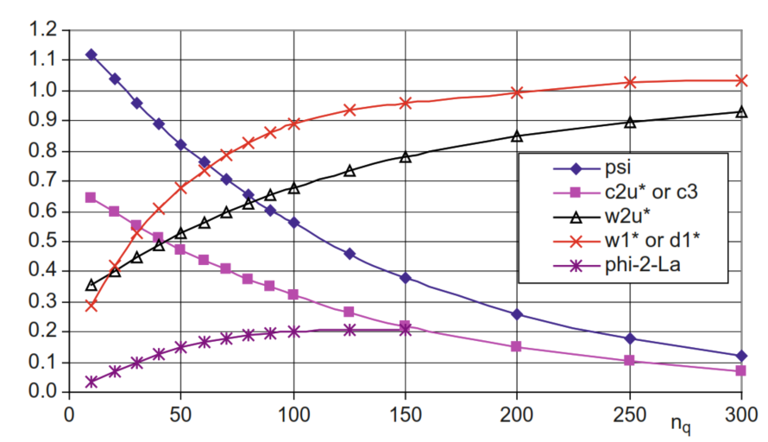
 |  |  |  | 160 | 34 | 26 | 19.4
 |  |  |  | 170 | 33 | 25.2 | 19.2
 |  |  |  | 180 | 32.3 | 24.8 | 18.7
 |  |  |  | 190 | 31.5 | 24.4 | 18.3
for slurry |  |  |  | 200 | 31 | 24 | 18
 |  |  |  | 210 | 30.7 | 23.6 | 17.7
 |  |  |  | 220 | 30.3 | 23.3 | 17.5
 |  |  |  | 230 | 30 | 22.9 | 17.4
 |  |  |  | 240 | 29.5 | 22.6 | 17.2
 | metal | rubber |  | 250 | 29.3 | 22.4 | 17
u2ref | 47 | 31

u2,ax | 47 | 31

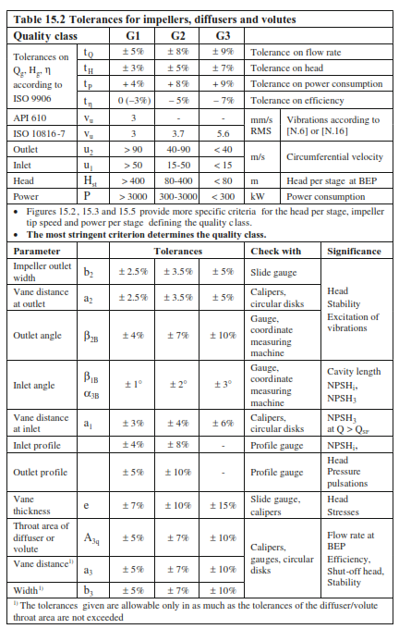

 |  |  |  |  |  |  |  |  |  |  |  |  |  |  |  |  |  |  |  |  |  |  |  |  |  |  |  |  | Gulich |  |  |  | PerPlexity
 |  |  |  |  |  |  |  |  |  |  |  |  |  |  |  |  |  |  |  |  |  |  |  |  |  |  |  | material (ASTM) | seawater | water | demi | slurry | Water | Gas/Air | Hydrocarbon | Seawater | Corrosive/Slurry
 |  |  |  |  |  |  |  |  |  |  |  |  |  |  |  |  |  | NQ | W2 |  |  |  |  |  |  |  |  | Cast Iron A278-30 | 0 | 15 | 0 |  | 18.2 | 15.4 | 12.6 | 11.2 | 5.6 | 0.5
 |  |  |  |  |  |  |  |  |  |  |  |  |  |  |  |  |  | 0 | 0.32 |  |  |  |  |  |  |  |  | Nodular Cast Iron A536-60-40-18 | 0 | 17 | 0 |  | 25.2 | 22.4 | 19.6 | 14.0 | 8.4 | 0.6
 |  |  |  |  |  |  |  |  |  |  |  |  |  |  |  |  |  | 25 | 0.42 |  |  |  |  |  |  |  |  | Ni Resist A439 Type D2 | 20 | 20 | 0 |  | 21.0 | 18.2 | 16.8 | 15.4 | 7.7 | 0.50149253731
 |  |  |  |  |  |  |  |  |  |  |  |  |  |  |  |  |  | 50 | 0.53 |  |  |  |  |  |  |  |  | Cast Steel A216 Gr WCB | 2 | 25 | 0 |  | 35.0 | 30.8 | 28.0 | 25.2 | 18.2 | 0.72131147541
 |  |  |  |  |  |  |  |  |  |  |  |  |  |  |  |  |  | 100 | 0.67 |  |  |  |  |  |  |  |  | Martensitic A487/A743 CA6NM Gr A | 0 | 70 | 70 |  | 41.9 | 37.8 | 33.6 | 28.0 | 23.1 | 0.82459016393
 |  |  |  |  |  |  |  |  |  |  |  |  |  |  |  |  |  | 150 | 0.78 |  |  |  |  |  |  |  |  | Martensitic A487/A743 CA15 Gr D | 0 | 70 | 70 |  | 41.9 | 37.8 | 33.6 | 28.0 | 23.1 | 0.82459016393
 |  |  |  |  |  |  |  |  |  |  |  |  |  |  |  |  |  | 250 | 0.89 |  |  |  |  |  |  |  |  | Austenitic A451/A743 CF-3 | 40 | 50 | 50 |  | 41.9 | 37.8 | 33.6 | 30.8 | 21.7 | 0.70342771982
 |  |  |  |  |  |  |  |  |  |  |  |  |  |  |  |  |  | 300 | 0.93 |  |  |  |  |  |  |  |  | Austenitic A451/A743 CF-3M | 40 | 50 | 50 |  | 41.9 | 37.8 | 33.6 | 30.8 | 21.7 | 0.70342771982
 |  |  |  |  |  |  |  |  |  |  |  |  |  |  |  |  |  |  |  |  |  |  |  |  |  |  |  | Duplex A995/A890 1B | 55 | 60 | 60 |  | 49.0 | 46.2 | 41.9 | 39.2 | 26.6 | 0.67878077374
 |  |  |  |  |  |  |  |  |  |  |  |  |  |  |  |  |  |  |  |  |  |  |  |  |  |  |  | Duplex A995/A890 4A CD3MN | 55 | 60 | 60 |  | 49.0 | 46.2 | 41.9 | 39.2 | 26.6 | 0.67878077374
 |  |  |  |  |  |  |  |  |  |  |  |  |  |  |  |  |  |  |  |  |  |  |  |  |  |  |  | Duplex A995 3A | 55 | 60 | 60 |  | 49.0 | 46.2 | 41.9 | 39.2 | 26.6 | 0.67878077374
 |  |  |  |  |  |  |  |  |  |  |  |  |  |  |  |  |  |  |  |  |  |  |  |  |  |  |  | SuperDuplex A995/A890 6A CD3MWCuN | 55 | 60 | 60 |  | 49.0 | 46.2 | 41.9 | 39.2 | 26.6 | 0.67878077374
 |  |  |  |  |  |  |  |  |  |  |  |  |  |  |  |  |  |  |  |  |  |  |  |  |  |  |  | SuperDuplex A995/A890 5A CE3MN | 60 | 60 | 60 |  | 49.0 | 46.2 | 41.9 | 39.2 | 26.6 | 0.67878077374
 |  |  |  |  |  |  |  |  |  |  |  |  |  |  |  |  |  |  |  |  |  |  |  |  |  |  |  | B584 C86300 | 23 | 23 | 23 |  | 28.0 | 25.2 | 22.4 | 21.0 | 15.4 | 0.73304157549
 |  |  |  |  |  |  |  |  |  |  |  |  |  |  |  |  |  |  |  |  |  |  |  |  |  |  |  | B427 C90700 | 23 | 23 | 23 |  | 21.0 | 18.2 | 16.8 | 14.0 | 12.6 | 0.89836065574
 |  |  |  |  |  |  |  |  |  |  |  |  |  |  |  |  |  |  |  |  |  |  |  |  |  |  |  | C148 958 | 30 | 30 | 30 |  | 35.0 | 30.8 | 28.0 | 22.4 | 22.4 | 1
 |  |  |  |  |  |  |  |  |  |  |  |  |  |  |  |  |  |  |  |  |  |  |  |  |  |  |  | Hastelloy CA574 N10276 | 60 | 60 | 60 |  | 49.0 | 46.2 | 41.9 | 41.9 | 29.4 | 0.70021881838

 |  |  |  |  |  |  |  |  | Cast Iron A278-30 |  | Cast Iron A278-30 |  | Cast Iron A278-30 | 130 ft/s ​ | ~40 m/s ​ | 40 | 13.333333333
 |  |  |  |  |  |  |  |  | Nodular Cast Iron A536-60-40-18 |  | Nodular CI A536-60-40-18 |  | Nodular Cast Iron A536-60-40-18 | 170-180 ft/s ​ | ~52-55 m/s ​ | 55 | 18.333333333
 |  |  |  |  |  |  |  |  | Ni Resist A439 Type D2 |  | Ni Resist A439 Type D2 |  | Ni Resist A439 Type D2 | 150 ft/s ​ | ~46 m/s ​ | 46 | 15.333333333
 |  |  |  |  |  |  |  |  | Cast Steel A216 Gr WCB |  | Cast Steel A216 Gr WCB |  | Cast Steel A216 Gr WCB | 250 ft/s ​ | ~76 m/s ​ | 76 | 25.333333333
 |  |  |  |  |  |  |  |  | Martensitic A487/A743 CA6NM Gr A |  | Mart. CA6NM/CA15 |  | Martensitic A487/A743 CA6NM Gr A | 300 ft/s ​ | ~91 m/s ​ | 91 | 30.333333333
 |  |  |  |  |  |  |  |  | Martensitic A487/A743 CA15 Gr D |  | Aust. CF-3/CF-3M |  | Martensitic A487/A743 CA15 Gr D | 300 ft/s ​ | ~91 m/s ​ | 91 | 30.333333333
 |  |  |  |  |  |  |  |  | Austenitic A451/A743 CF-3 |  | Duplex/Super Duplex |  | Austenitic A451/A743 CF-3 | 300 ft/s ​ | ~91 m/s ​ | 91 | 30.333333333
 |  |  |  |  |  |  |  |  | Austenitic A451/A743 CF-3M |  | B584 C86300 Bronze |  | Austenitic A451/A743 CF-3M | 300 ft/s ​ | ~91 m/s ​ | 91 | 30.333333333
 |  |  |  |  |  |  |  |  | Duplex A995/A890 1B |  | B427 C90700 Bronze |  | Duplex A995/A890 1B, 4A, 3A | 330 ft/s ​ | ~100 m/s ​ | 100 | 33.333333333
 |  |  |  |  |  |  |  |  | Duplex A995/A890 4A CD3MN |  | C148 958 NiAl Bronze |  | SuperDuplex A995/A890 6A, 5A | 350 ft/s ​ | ~107 m/s ​ | 107 | 35.666666667
 |  |  |  |  |  |  |  |  | Duplex A995 3A |  | Hastelloy CA574 N10276 |  | B584 C86300 (Manganese Bronze) | 200 ft/s ​ | ~61 m/s ​ | 61 | 20.333333333
 |  |  |  |  |  |  |  |  | SuperDuplex A995/A890 6A CD3MWCuN |  |  |  | B427 C90700 (Tin Bronze) | 150 ft/s ​ | ~46 m/s ​ | 46 | 15.333333333
 |  |  |  |  |  |  |  |  | SuperDuplex A995/A890 5A CE3MN |  |  |  | C148 958 (Nickel Aluminum Bronze) | 250 ft/s ​ | ~76 m/s ​ | 76 | 25.333333333
 |  |  |  |  |  |  |  |  | B584 C86300 |  |  |  | Hastelloy CA574 N10276 | 350 ft/s ​ | ~107 m/s ​ | 107 | 35.666666667
 |  |  |  |  |  |  |  |  | B427 C90700 |  |  |  |  |  |  |  |  |  |  |  | Material | Water | Gas/Air | Steam | Hydrocarbon | Seawater | Corrosive/Slurry
 |  |  |  |  |  |  |  |  | C148 958 |  |  |  |  |  |  |  |  |  | Cast Iron A278-30 | Cast Iron A278-30 | Cast Iron A278-30 | 39.6 | 33.5 | 27.4 | 24.4 | 12.2 | 24.4
 |  |  |  |  |  |  |  |  | Hastelloy CA574 N10276 |  |  |  |  |  |  |  |  |  | Nodular Cast Iron A536-60-40-18 | Nodular Cast Iron A536-60-40-18 | Nodular CI A536-60-40-18 | 54.9 | 48.8 | 42.7 | 30.5 | 18.3 | 36.6
 |  |  |  |  |  |  |  |  |  |  |  |  |  |  |  |  |  |  | Ni Resist A439 Type D2 | Ni Resist A439 Type D2 | Ni Resist A439 Type D2 | 45.7 | 39.6 | 36.6 | 33.5 | 16.8 | 33.5
 |  |  |  |  |  |  |  |  |  |  |  |  |  |  |  |  |  |  | Cast Steel A216 Gr WCB | Cast Steel A216 Gr WCB | Cast Steel A216 Gr WCB | 76.2 | 67.1 | 61 | 54.9 | 39.6 | 54.9
 |  |  |  |  |  |  |  |  |  |  |  |  |  |  |  |  |  |  | Martensitic A487/A743 CA6NM Gr A | Martensitic A487/A743 CA6NM Gr A | Mart. CA6NM/CA15 | 91.4 | 82.3 | 73.2 | 61 | 50.3 | 61
 |  |  |  |  |  |  |  |  |  |  |  |  |  |  |  |  |  |  | Martensitic A487/A743 CA15 Gr D | Martensitic A487/A743 CA15 Gr D | Martensitic A487/A743 CA15 Gr D | 91.4 | 82.3 | 73.2 | 61 | 50.3 | 61
 |  |  |  |  |  |  |  |  |  |  |  |  |  |  |  |  |  |  | Austenitic A451/A743 CF-3 | Austenitic A451/A743 CF-3 | Aust. CF-3/CF-3M | 91.4 | 82.3 | 73.2 | 67.1 | 47.2 | 67.1
 |  |  |  |  |  |  |  |  |  |  |  |  |  |  |  |  |  |  | Austenitic A451/A743 CF-3M | Austenitic A451/A743 CF-3M | Aust. CF-3/CF-3M | 91.4 | 82.3 | 73.2 | 67.1 | 47.2 | 67.1
 |  |  |  |  |  |  |  |  |  |  |  |  |  |  |  |  |  |  | Duplex A995/A890 1B | Duplex A995/A890 1B, 4A, 3A | Duplex A995/A890 1B, 4A, 3A | 106.7 | 100.6 | 91.4 | 85.3 | 57.9 | 76.2
 |  |  |  |  |  |  |  |  |  |  |  |  |  |  |  |  |  |  | Duplex A995/A890 4A CD3MN | SuperDuplex A995/A890 6A, 5A | Duplex A995/A890 1B, 4A, 3A | 106.7 | 100.6 | 91.4 | 85.3 | 57.9 | 76.2
 |  |  |  |  |  |  |  |  |  |  |  |  |  |  |  |  |  |  | Duplex A995 3A | B584 C86300 (Manganese Bronze) | Duplex A995/A890 1B, 4A, 3A | 106.7 | 100.6 | 91.4 | 85.3 | 57.9 | 76.2
 |  |  |  |  |  |  |  |  |  |  |  |  |  |  |  |  |  |  | SuperDuplex A995/A890 6A CD3MWCuN | B427 C90700 (Tin Bronze) | SuperDuplex A995/A890 6A, 5A | 106.7 | 100.6 | 91.4 | 85.3 | 57.9 | 76.2
 |  |  |  |  |  |  |  |  |  |  |  |  |  |  |  |  |  |  | SuperDuplex A995/A890 5A CE3MN | C148 958 (Nickel Aluminum Bronze) | SuperDuplex A995/A890 6A, 5A | 106.7 | 100.6 | 91.4 | 85.3 | 57.9 | 76.2
 |  |  |  |  |  |  |  |  |  |  |  |  |  |  |  |  |  |  | B584 C86300 | Hastelloy CA574 N10276 | B584 C86300 Bronze | 61 | 54.9 | 48.8 | 45.7 | 33.5 | 42.7
 |  |  |  |  |  |  |  |  |  |  |  |  |  |  |  |  |  |  | B427 C90700 |  | B427 C90700 Bronze | 45.7 | 39.6 | 36.6 | 30.5 | 27.4 | 30.5
 |  |  |  |  |  |  |  |  |  |  |  |  |  |  |  |  |  |  | C148 958 |  | C148 958 NiAl Bronze | 76.2 | 67.1 | 61 | 48.8 | 48.8 | 54.9
 |  |  |  |  |  |  |  |  |  |  |  |  |  |  |  |  |  |  | Hastelloy CA574 N10276 |  | Hastelloy CA574 N10276 | 106.7 | 100.6 | 91.4 | 91.4 | 64 | 76.2

